OLD
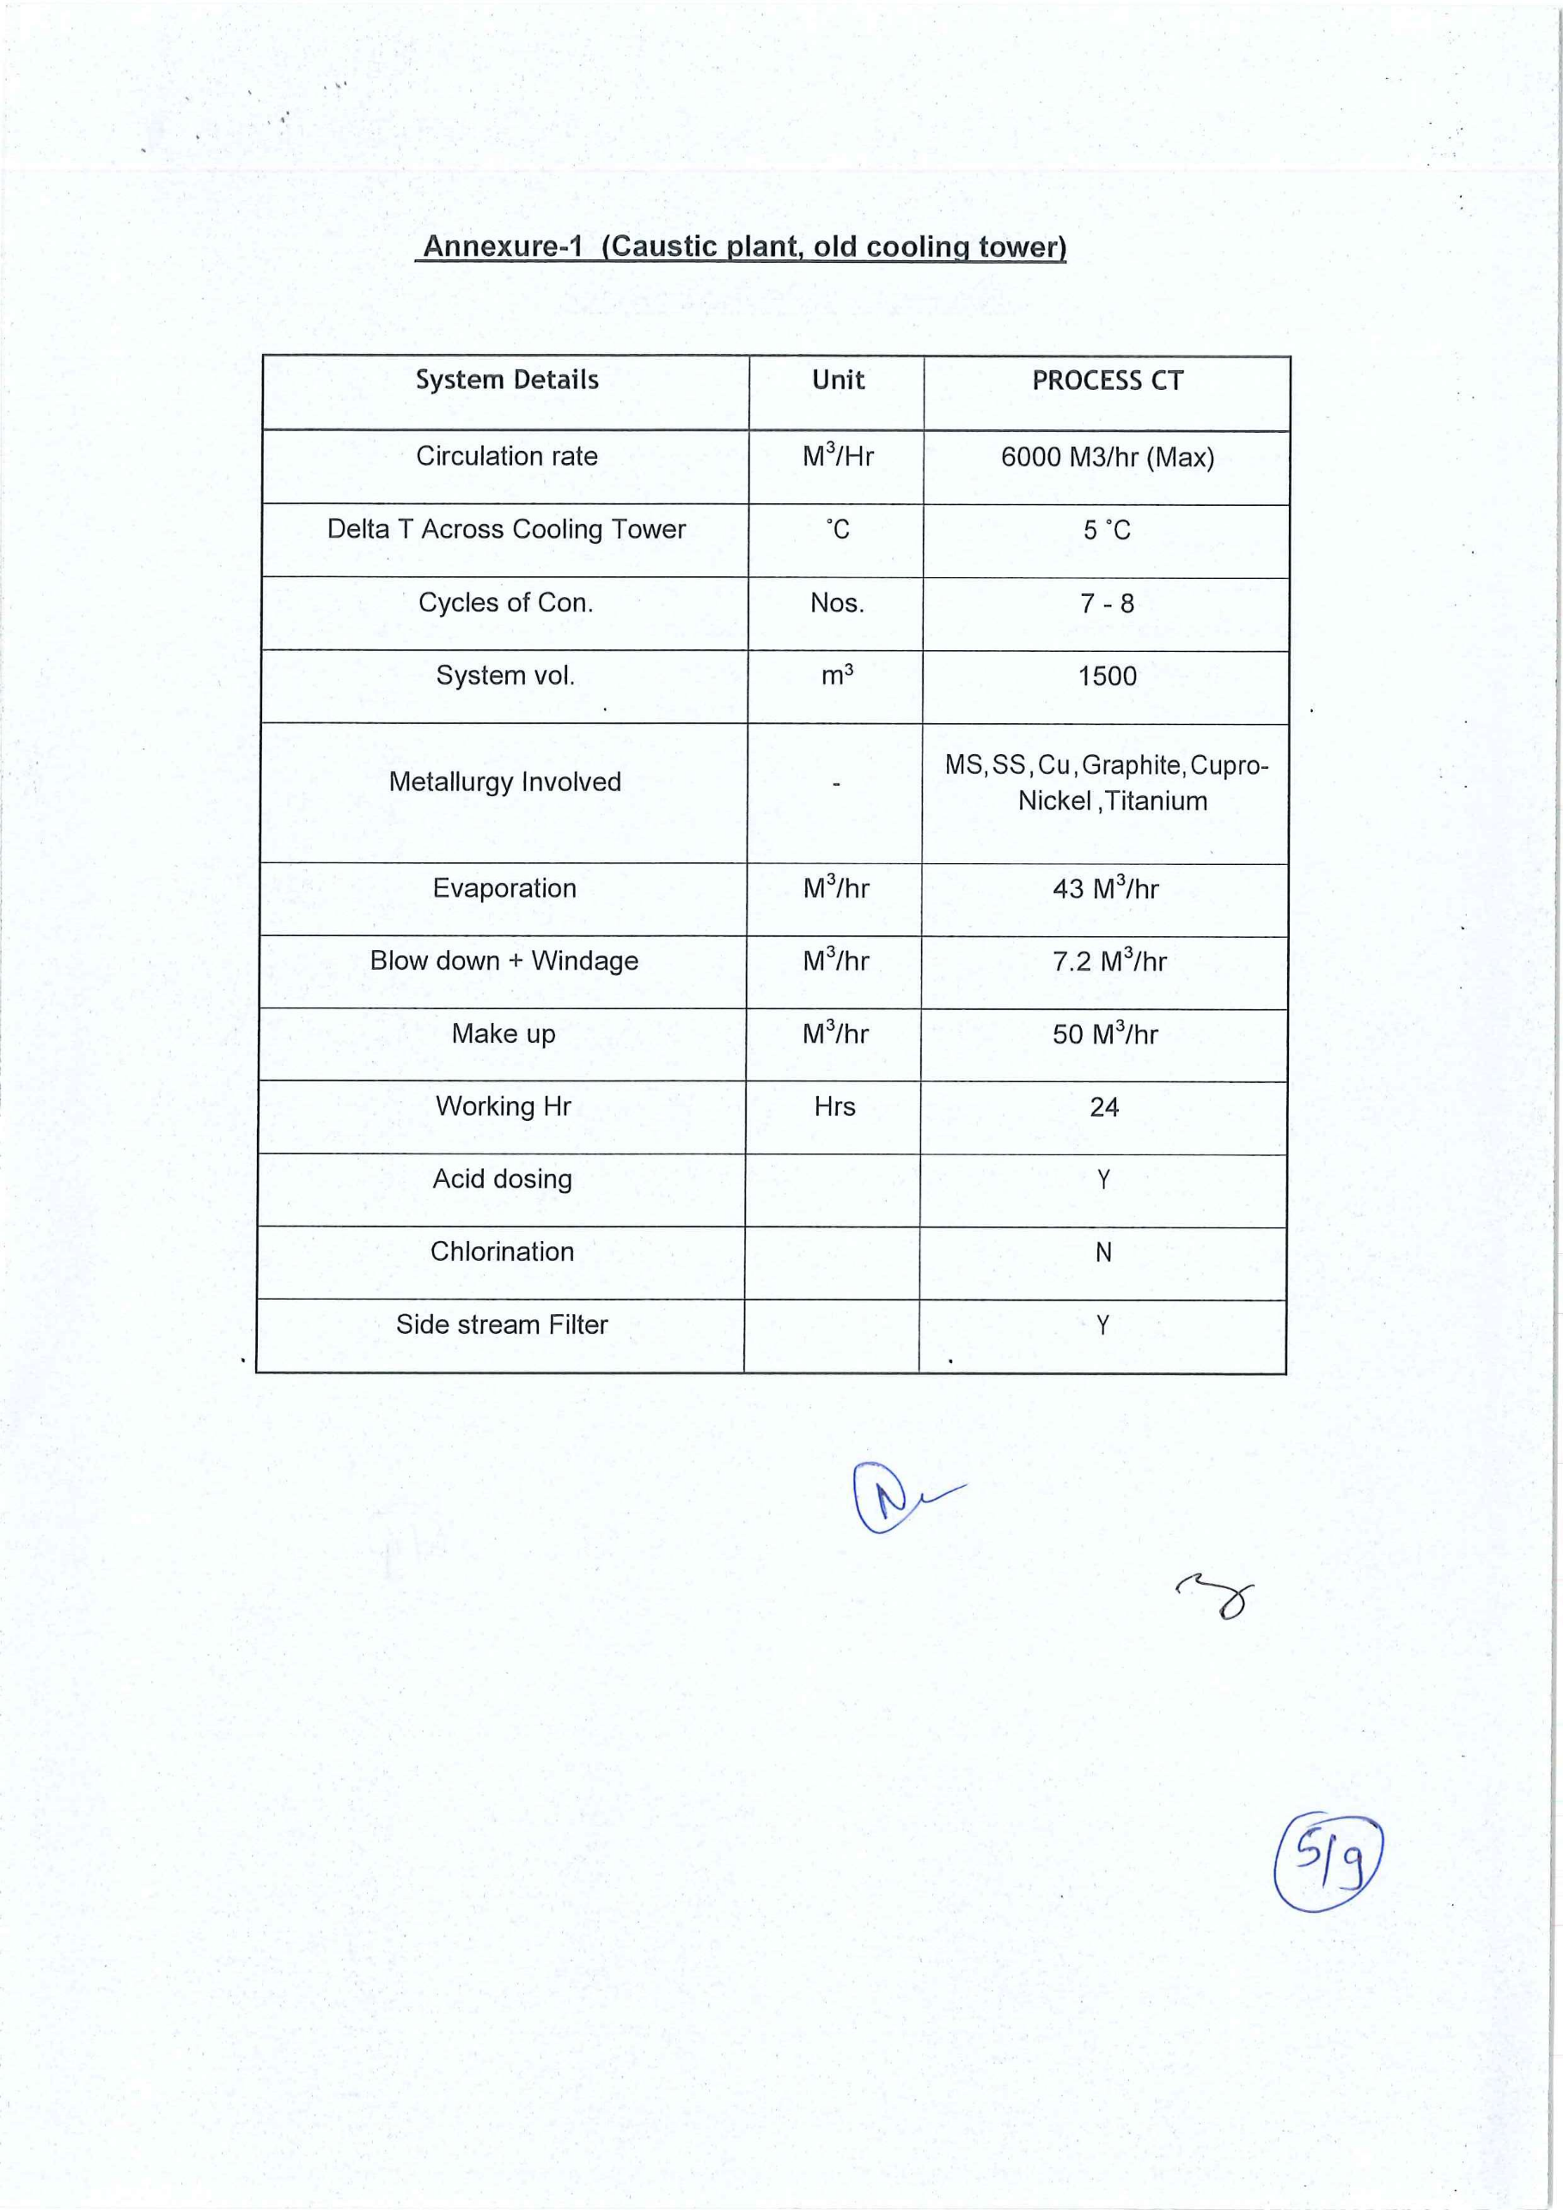
 | Product | Dosage in Kg
WT | S 1192 | 12 | per day
WT | S 2150 | 2 | per day
WT | S 2501 | 2 | per day
WT | S 8600 | 1.8 | per day
WT | 3331 | 75 | per 15 d | alt
WT | 3500 | 50 | per15 d | alt
WT | 399 | 50 | per 15 d | alt

